SQL cont..
10 top countires in customer count |  | 10 top cities within top 10 countires in customer count |  |  | 5 top cities within top 10 countires who paid the highest total amount to RB

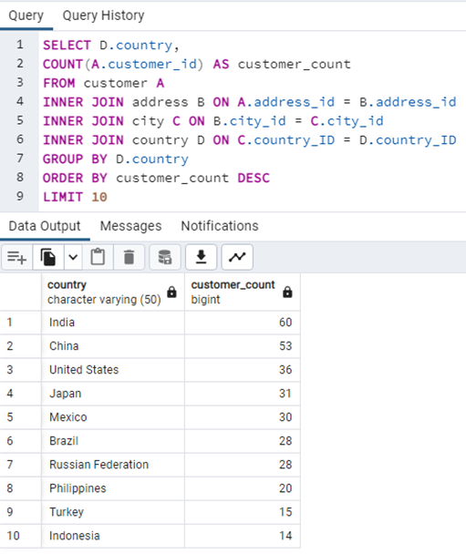
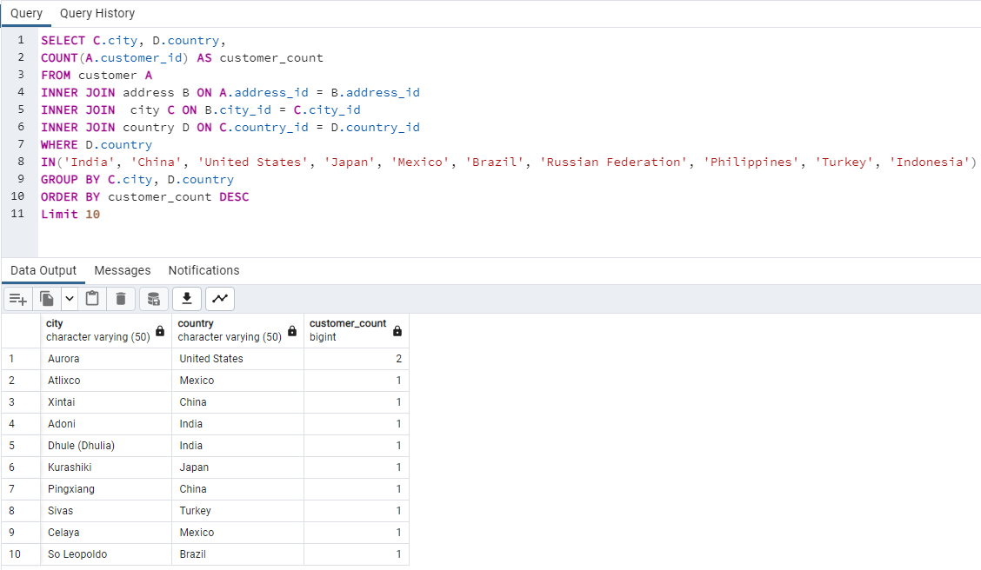
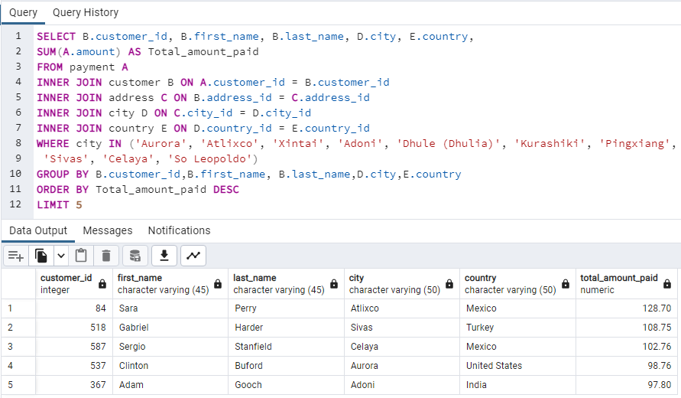
country | customer_count | city | country | customer_count | total_amount_paid | customer_id | first_name | last_name | city | country
India | 60 | Aurora | United States | 2 | 128.7 | 84 | Sara | Perry | Atlixco | Mexico
China | 53 | Pingxiang | China | 1 | 108.75 | 518 | Gabriel | Harder | Sivas | Turkey
United States | 36 | Sivas | Turkey | 1 | 102.76 | 587 | Sergio | Stanfield | Celaya | Mexico
Japan | 31 | Dhule (Dhulia) | India | 1 | 98.76 | 537 | Clinton | Buford | Aurora | United States
Mexico | 30 | Kurashiki | Japan | 1 | 97.8 | 367 | Adam | Gooch | Adoni | India
Brazil | 28 | Xintai | China | 1
Russian Federation | 28 | Adoni | India | 1
Philippines | 20 | Celaya | Mexico | 1
Turkey | 15 | Nezahualcyotl | Mexico | 1
Indonesia | 14 | Atlixco | Mexico | 1

